Cover Page
In the SKU Information sheet, rows with a dark green label are generally required. Please fill them in as completely as possible. Rows with a light green label do not apply to all items. Please leave them blank if you do not apply to an item.
One item per column.
Calculation fields are indicated with a grey background.
Please be aware that some fields have a drop-down menu
There is a field for Notes at the bottom. Please use this for any other pertinant information you wish to share.
Please do not make any changes to the formatting of these sheets.
Once the SKU Information sheet is complete, please complete the Retail Audit sheet.
For each SKU, enter that's SKU's regular retail price as found at each of the retailers indicated.
If the SKU is not sold by a retailer, leave that field blank.
Please ignore all other sheets.
The form can accept 50 SKUs. If you are submitting more than 50 SKUs, please complete additional Intake Forms, as required.
If you have any questions, please send them to <categoryadmin@farmboy.ca>

This form was last updated on: | 2024-07-26
This form was last updated by: | Peter T.

Barcode Info
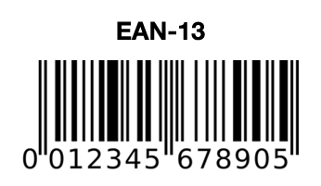
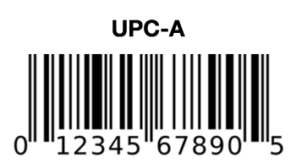
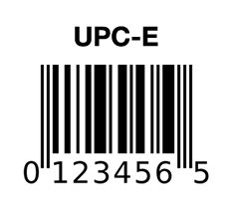
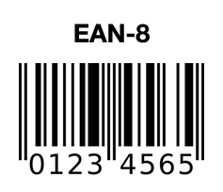
Unit
The basic unit of sale. Must be labeled for individual sale.

Tray
Also called Caddy, Carton, or Inner Case.
Only include this information if tray is labeled for sale to consumers.
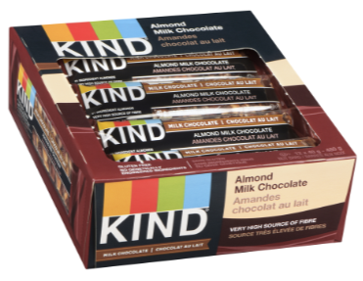

> Enter all UPCs without spaces or dashes
> UPC-A and EAN-13 should be entered as they appear. The last digit should be
entered in the 'Check Digit' field.
> EAN-8 Should be entered as-is.
> UPC-E should be expanded to UPC-A format. If you aren't sure how to do that,
please contact your UPC provider service

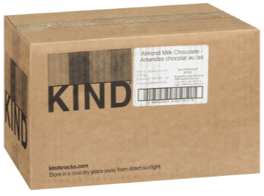
Master Case
Also called Shipping Case

